Sheet1
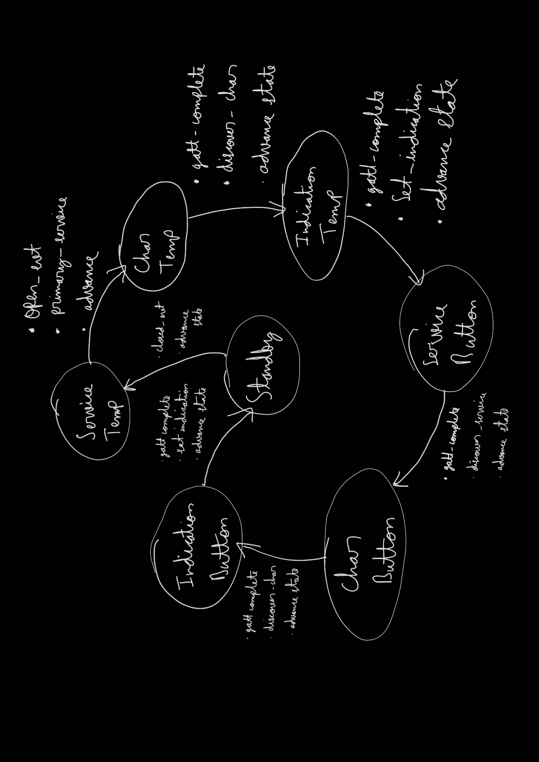
 | Client Command Table for A7

 | Use this table to help you design your program. Add rows as needed. | Use this column to describe when and what your LCD display changes to for rows like DISPLAY_ROW_CONNECTION | Use this column to denote if BT stack events cause your state machine to advance, you can put an X in the cell to note this. Drawing a bubble diagram of your state machine might also be a good idea 👍. | Commands that may be useful: sl_bt_gatt_discover_primary_services_by_uuid() sl_bt_gatt_discover_characteristics_by_uuid()
 | Event | LCD Display State | Advances State Machine | Commands called in response to event | Notes
Events only for Masters/Clients
 | sl_bt_evt_system_boot_id | Discovering |  | This event is generated on stack boot up | You can also document in column D values that need to be saved in response to receiving BT stack events.
 |  | client address |  | sl_bt_scanner_set_mode()
 |  | A9 |  | sl_bt_scanner_set_timing()
 |  |  | ok_to_send_button_indications=0 isbONDED=0 | sl_bt_sm_delete_bondings()
 |  |  |  | sl_bt_connection_set_default_parameters()
 |  |  |  | sl_bt_system_set_soft_timer()
 |  |  | X | sl_bt_scanner_start() | You should start and stop scanning just like you did with advertising for a Server.

 | sl_bt_evt_connection_opened_id | Connected | X | sl_bt_gatt_discover_primary_services_by_uuid()
 |  |  | connectionHandle connection_open=1
 | sl_bt_evt_connection_closed_id | Discovering |  | sl_bt_sm_delete_bondings();

 | sl_bt_evt_system_soft_timer_id | - |  | This event indicates that a soft timer has expired.

 | sl_bt_evt_scanner_scan_report_id | BDADDR | address address_type connectionHandle | Received for advertising or scan response packets generated by: sl_bt_scanner_start(). Is the bd_addr, packet_type and address_type what we expect for our Server? If yes: call the following
 |  |  |  | sl_bt_scanner_stop()
 |  |  | X | sl_bt_connection_open()

 | sl_bt_evt_gatt_procedure_completed_id | Connected/HANDLING INDICATIONS | X | We get this event when it’s ok to call the next GATT command. It’s a good idea to check for returned error codes. This would be a great event to use to sequence your new state machine. | Do not build your state machine into your handle_ble_event() function! Instead build a new state machine for A7.
 |  |  |  | sl_bt_sm_increase_security()

 | sl_bt_evt_gatt_service_id | Connected | thermometer_service_handle buttonState_service_handle | A GATT service in the remote GATT database was discovered
 |  |  | X | sl_bt_gatt_discover_characteristics_by_uuid()

 | sl_bt_evt_gatt_characteristic_id | HANDLING INDICATIONS | thermometer_characteristic_handle buttonState_characteristic_handle | A GATT characteristic in the remote GATT database was discovered
 |  |  | X | sl_bt_gatt_set_characteristic_notification()

 | sl_bt_evt_gatt_characteristic_value_id | HANDLING INDICATIONS Temp=32C | stay in same state until connection close event | If an indication or notification has been enabled for a characteristic, this event is triggered whenever an indication or notification is received from the remote GATT server. Is the characteristic handle and att_opcode we expect? If yes: sl_bt_gatt_send_characteristic_confirmation()
 |  |  |  | sl_bt_gatt_send_characteristic_confirmation()
 |  |  |  | displayTempOnLCD()
 | sl_bt_evt_system_external_signal_id: |  | read_in_flight | sl_bt_gatt_read_characteristic_value()
 |  |  | ok_to_send_button_indications | sl_bt_sm_passkey_confirm()
 |  |  |  | sl_bt_gatt_set_characteristic_notification()
 | sl_bt_evt_sm_confirm_passkey_id | Passkey Confirm with PB0 main | key

 | sl_bt_evt_sm_bonded_id | Bonded | isBonded=1 | bonding complete

 | sl_bt_evt_sm_confirm_bonding_id |  |  | sl_bt_sm_bonding_confirm()

 | sl_bt_evt_sm_bonding_failed_id | Bonding failed | isBonded=0 | no action.

 | sl_bt_evt_connection_parameters_id |  |  | no action

 | sl_bt_evt_gatt_characteristic_value_id | Button Pressed/Button Releases |  | displayTemp() display temperature on LCD
 |  |  |  | sl_bt_gatt_send_characteristic_confirmation() send confirmation once each for every indication recevied on thermometer and button

 | sl_bt_evt_system_soft_timer_id |  |  | displayUpdate() is sent every one sec

